Bug-Report
Bug ID | Bug Title | Bug Description | Steps to Reproduce | Priority | Severity | Status | Screenshots
BUG-001 | Homepage images not loading on mobile | On mobile devices, some images fail to load due to incorrect paths or large image sizes causing timeout. | 1. Open the website on a mobile browser. 2. Wait for the homepage to load. 3. Observe missing or broken images. | High | Major | Open | 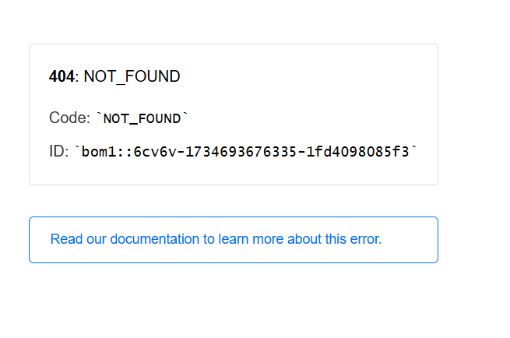
BUG-002 | Registration form validation errors missing | Submitting the registration form with invalid or empty inputs does not trigger error messages consistently. | 1. Navigate to the registration page. 2. Submit the form without filling any fields. 3. Observe that no validation appears. | High | Major | Open | 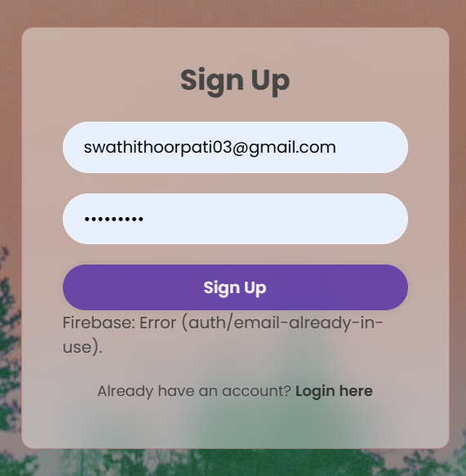
BUG-003 | Weak password accepted during registration | The system allows weak passwords such as "123" without displaying a strength warning. | 1. Navigate to the registration page. 2. Enter a weak password (e.g., "123"). 3. Submit the form and observe behavior. | High | Critical | Open
BUG-004 | Incorrect login error not user-friendly | The error message for incorrect login credentials is generic and does not specify the issue (email/password). | 1. Navigate to the login page. 2. Enter an incorrect email/password. 3. Submit the form. 4. Observe the error text. | Medium | Minor | Open | 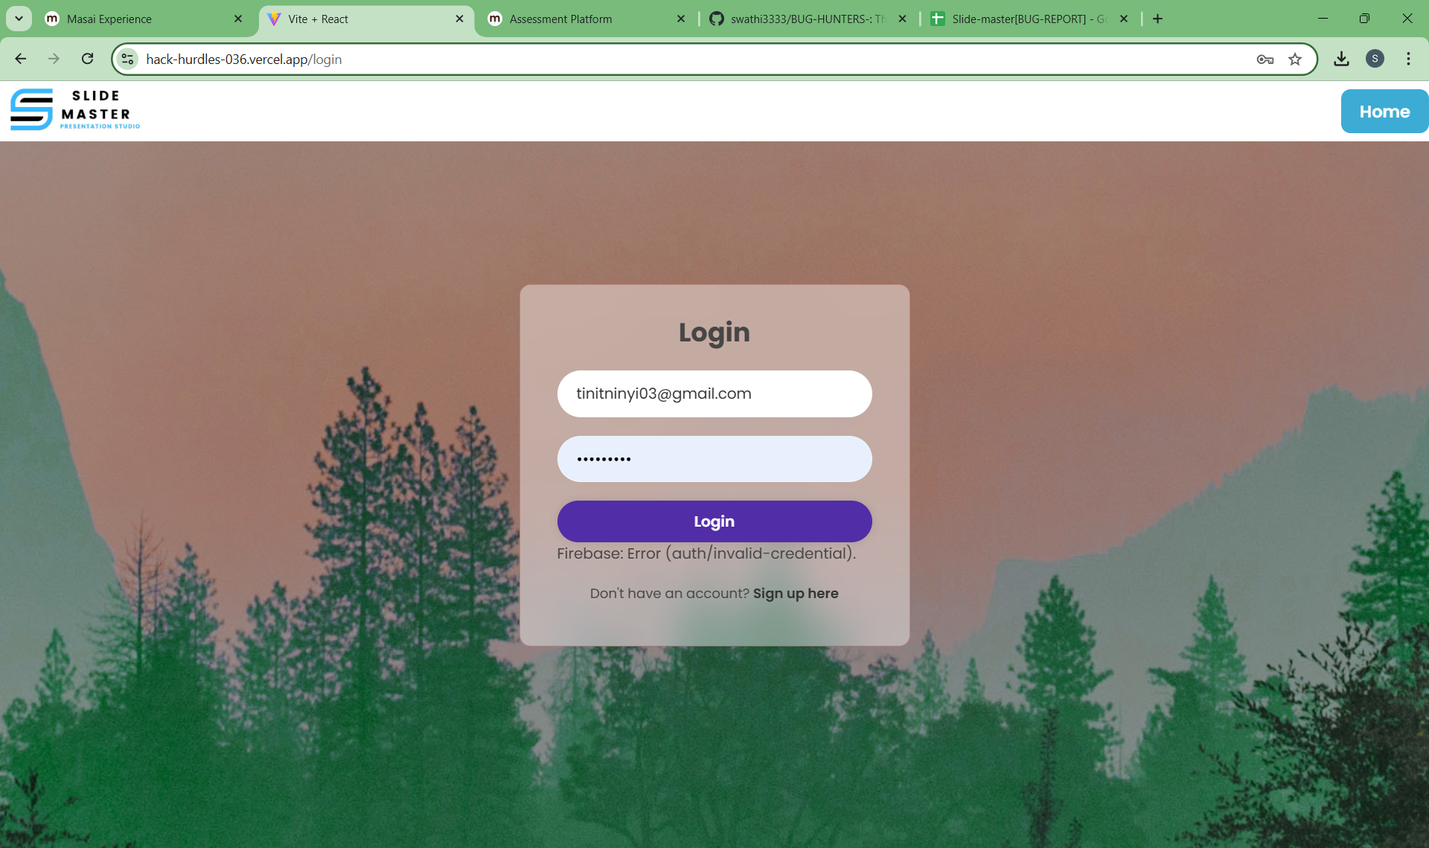
BUG-005 | Blog page navigation links broken | Some navigation links on the blog page redirect to 404 error pages. | 1. Open the blog page. 2. Click on all navigation links in the menu. 3. Observe links leading to 404 errors. | High | Major | Open
BUG-006 | Embedded videos fail to load on Safari | Embedded videos in the blog do not load on Safari browser due to incorrect MIME types or CORS issues. | 1. Open the blog page in Safari. 2. Scroll to embedded videos. 3. Observe the failure to load the videos. | Medium | Major | Open
BUG-007 | Page responsiveness issue on tablet devices | The layout of the blog is distorted on tablets, with overlapping text and images. | 1. Open the blog page on a tablet browser 2. Observe layout distortions on the page. | Medium | Moderate | Open

